SUMMARY
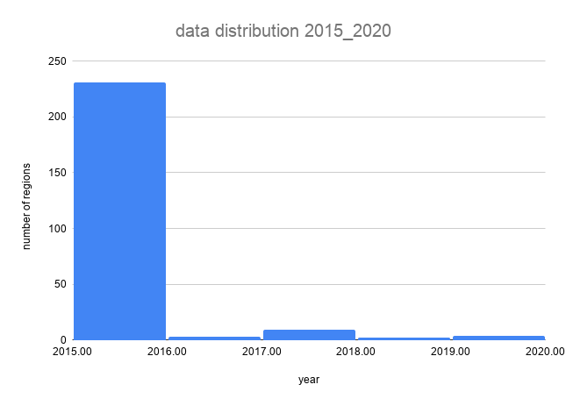
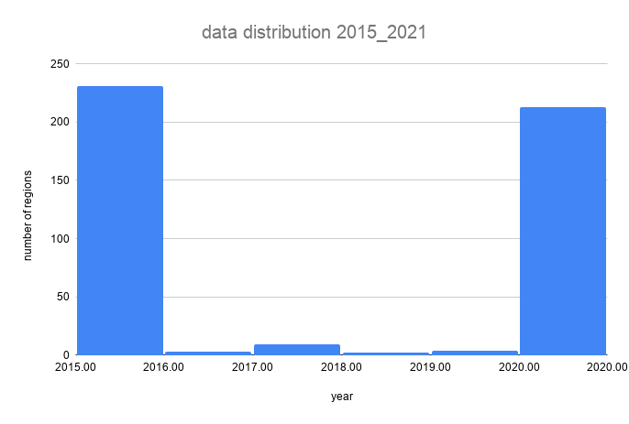
avg_y_diff | min_y_diff | max_y_diff | min year | max year
4.8 | 1 | 5 | 2015 | 2020

 | ARC_n | ARC_r | ARC_u
minimum | -1.021788674 | -1.22738096 | -1.620086812
maximum | 2.750326488 | 2.667882638 | 2.668211856
average | 0.2767441419 | 0.484493696 | 0.1548234028
missing_values(nulls) | 2 | 64 | 50
full access | 62 | 29 | 55
ARC=0 | 16 | 5 | 7
ARC>0 | 135 | 116 | 93
ARC<0 | 16 | 17 | 26
Total NO. of countries | 231 | 231 | 231
Total NO. of countries | 231

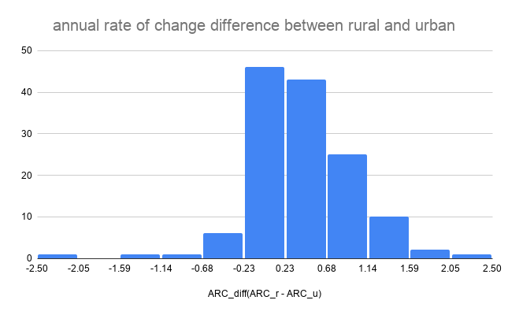
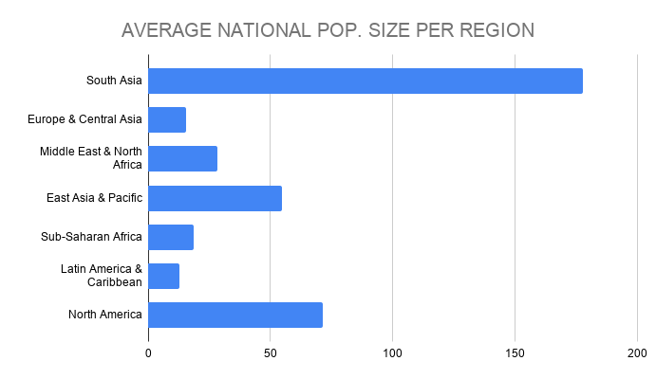
no. of countries per region
East Asia & Pacific | 40
Europe & Central Asia | 64
Latin America & Caribbean | 48
Middle East & North Africa | 10
North America | 5
South Asia | 11
Sub-Saharan Africa | 53
sum | 231

average arc_n per region

annual rates of change (national vs. rural)
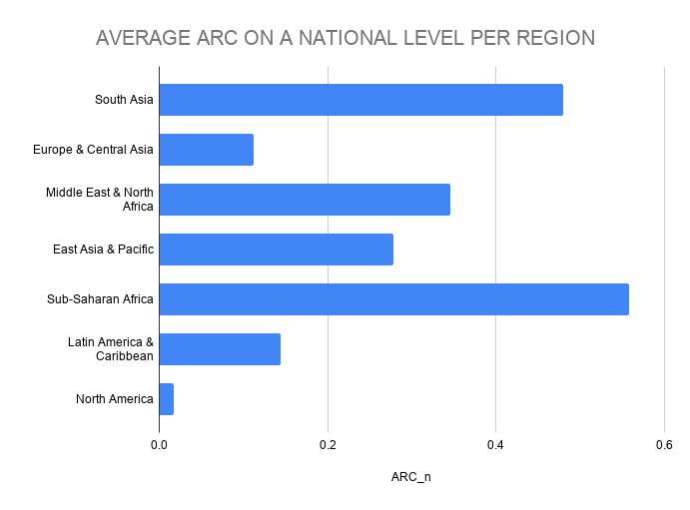

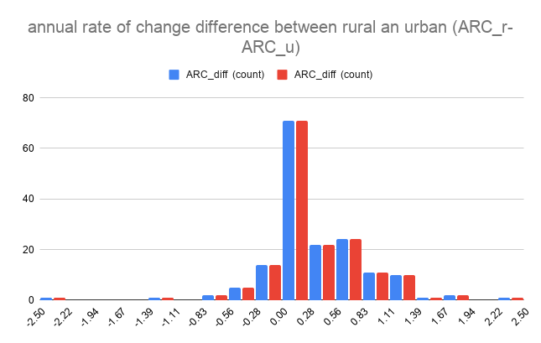
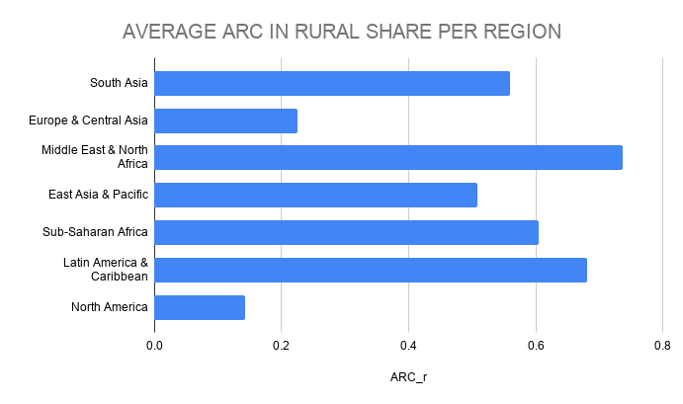

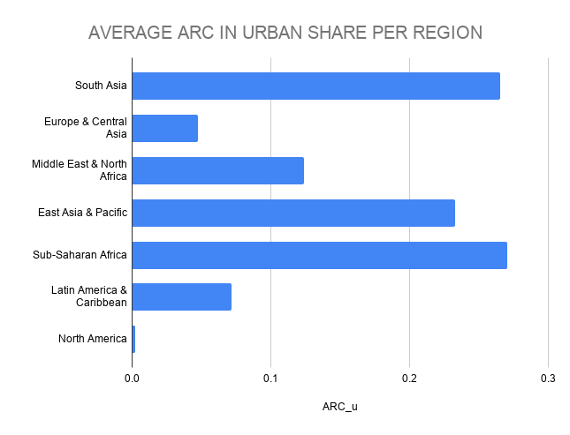
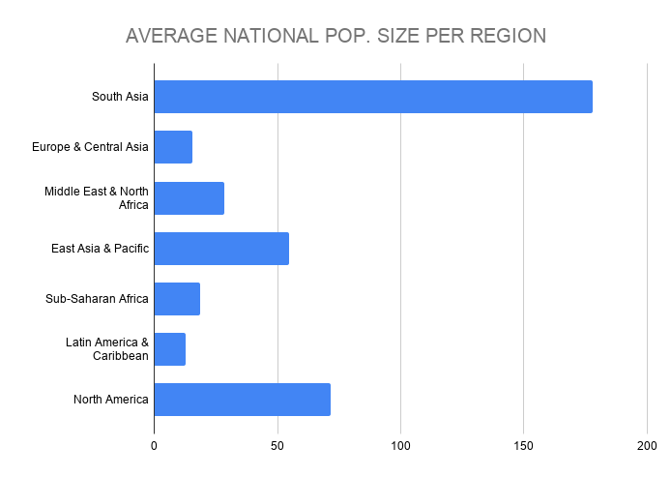
Which two countries had the highest absolute difference between urban and rural Annual Rates of Change?
2.488795602 | South Sudan
2.329253846 | Morocco

